Q2-A
 | IBM | ORCL | MSFT | XOM | MRK | KO | TRV | UTX | WMT | GE | Parameters | Constraints
% Investment | 18.14% | 0.00% | 0.00% | 0.00% | 0.00% | 0.00% | 0.00% | 0.00% | 70.00% | 0.00% | 88.14% | 100%
Share Price | $ 164.14 | $ 33.31 | $ 27.17 | $ 82.69 | $ 33.01 | $ 63.44 | $ 58.78 | $ 85.05 | $ 55.57 | $ 21.31
Beta | 0.7 | 1.08 | 1 | 0.41 | 0.58 | 0.58 | 0.56 | 1.05 | 0.39 | 1.75 | 0.4 | #NAME?
P/E | 14.25 | 25.04 | 11.6 | 13.28 | 55.11 | 19.51 | 8.87 | 17.92 | 13.77 | 20.09 | 12.224357143 | 25
next yr growth | 14.00% | 10.60% | 8.20% | 15.10% | 6.20% | 9.80% | -1.00% | 14.00% | 9.60% | 22.70% | 9.26% | 7.00%
div yield | 1.60% | 0.60% | 2.00% | 2.10% | 4.60% | 2.80% | 2.40% | 2.00% | 2.20% | 2.20% | 1.83% | 0.00%

5 yr growth | 19.10% | 14.10% | 12.40% | 11.13% | 5.57% | 8.70% | 8.60% | 10.50% | 10.68% | 12.80% | 10.94%

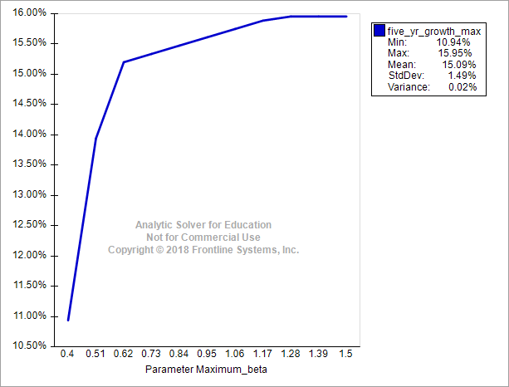
 |  |  |  |  |  |  |  |  | Tech Stocks | 18.14% | 50.00%
 |  |  |  |  |  |  |  |  | Non-tech stocks | 70.00% | 70.00%

Q3
 | IBM | ORCL | MSFT | XOM | MRK | KO | TRV | UTX | WMT | GE | Parameters | Constraints
% Investment | 50.00% | 0.00% | 0.00% | 0.00% | 25.00% | 0.00% | 0.00% | 0.00% | 0.00% | 25.00% | 100.00% | 100%
Share Price | $ 164.14 | $ 33.31 | $ 27.17 | $ 82.69 | $ 33.01 | $ 63.44 | $ 58.78 | $ 85.05 | $ 55.57 | $ 21.31
Beta | 0.7 | 1.08 | 1 | 0.41 | 0.58 | 0.58 | 0.56 | 1.05 | 0.39 | 1.75 | 0.9325 | 1.5
P/E | 14.25 | 25.04 | 11.6 | 13.28 | 55.11 | 19.51 | 8.87 | 17.92 | 13.77 | 20.09 | 25.925 | 125
next yr growth | 14.00% | 10.60% | 8.20% | 15.10% | 6.20% | 9.80% | -1.00% | 14.00% | 9.60% | 22.70% | 14.23% | 7.00%
div yield | 1.60% | 0.60% | 2.00% | 2.10% | 4.60% | 2.80% | 2.40% | 2.00% | 2.20% | 2.20% | 2.50% | 2.50%

5 yr growth | 19.10% | 14.10% | 12.40% | 11.13% | #NAME? | 8.70% | 8.60% | 10.50% | 10.68% | 12.80% | #NAME?

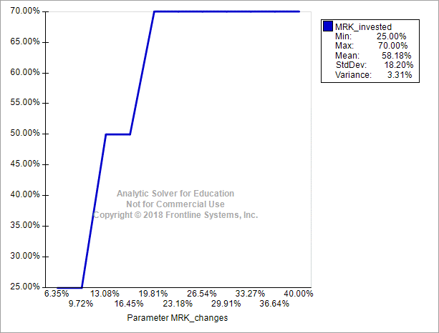
 |  |  |  |  |  |  |  |  | Tech Stocks | 50.00% | 50.00%
 |  |  |  |  |  |  |  |  | Non-tech stocks | 50.00% | 70.00%

